Winning Odds and Best Seats
 | BASE |  | ADJUSTED |  |  |  |  |  | Scored Goals % | Seats at the Home Team's Goal (Borussia Dortmund) | Seats at the Away Team's Goal (FC Köln)
Scored Goals | Borussia Dortmund | FC Köln | Borussia Dortmund | FC Köln |  |  |  |  | 0 | 30% | 45%
0 | 0.10501925581 | 0.21376945819 | 0.10591325621 | 0.21400214254 |  |  |  |  | 1 | 37% | 36%
1 | 0.2366726086 | 0.32981573549 | 0.23868733824 | 0.3301747342 |  |  |  |  | 2 | 23% | 15%
2 | 0.26668406298 | 0.25442928166 | 0.26895427198 | 0.25470622353 |  |  |  |  | 3 | 10% | 4%
3 | 0.20033409546 | 0.13084934485 | 0.20203948521 | 0.1309917721 |  |  |  |  | 0 | 17% | 56%
4 | 0.1128688082 | 0.050470461587 | 0.11382962971 | 0.05052539781 |  |  |  |  | 1 | 33% | 33%
5 | 0.050872490116 | 0.015573742433 | 0.051305553808 | 0.015590694181 |  |  |  |  | 2 | 31% | 10%
6 | 0.019107805276 | 0.0040046766255 | 0.019270464833 | 0.0040090356466 |  |  |  |  | 3 | 19% | 2%
 |  |  |  |  |  |  |  |  | Koln Goals (weighted #) | 1.127730478 | 0.57562361288
 | Game Table |  |  |  |  |  |  |  | Borrussia Goals (weighted #) | 1.5168580878 | 0.77087887049
 |  |  |  |  |  |  |  |  | Where to sit (weighted #) | 2.6445885658 | 1.3465024834
 |  |  | 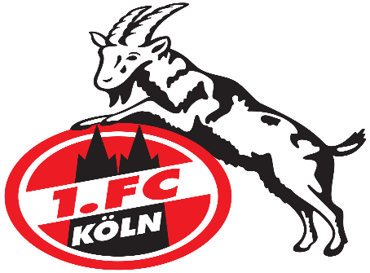
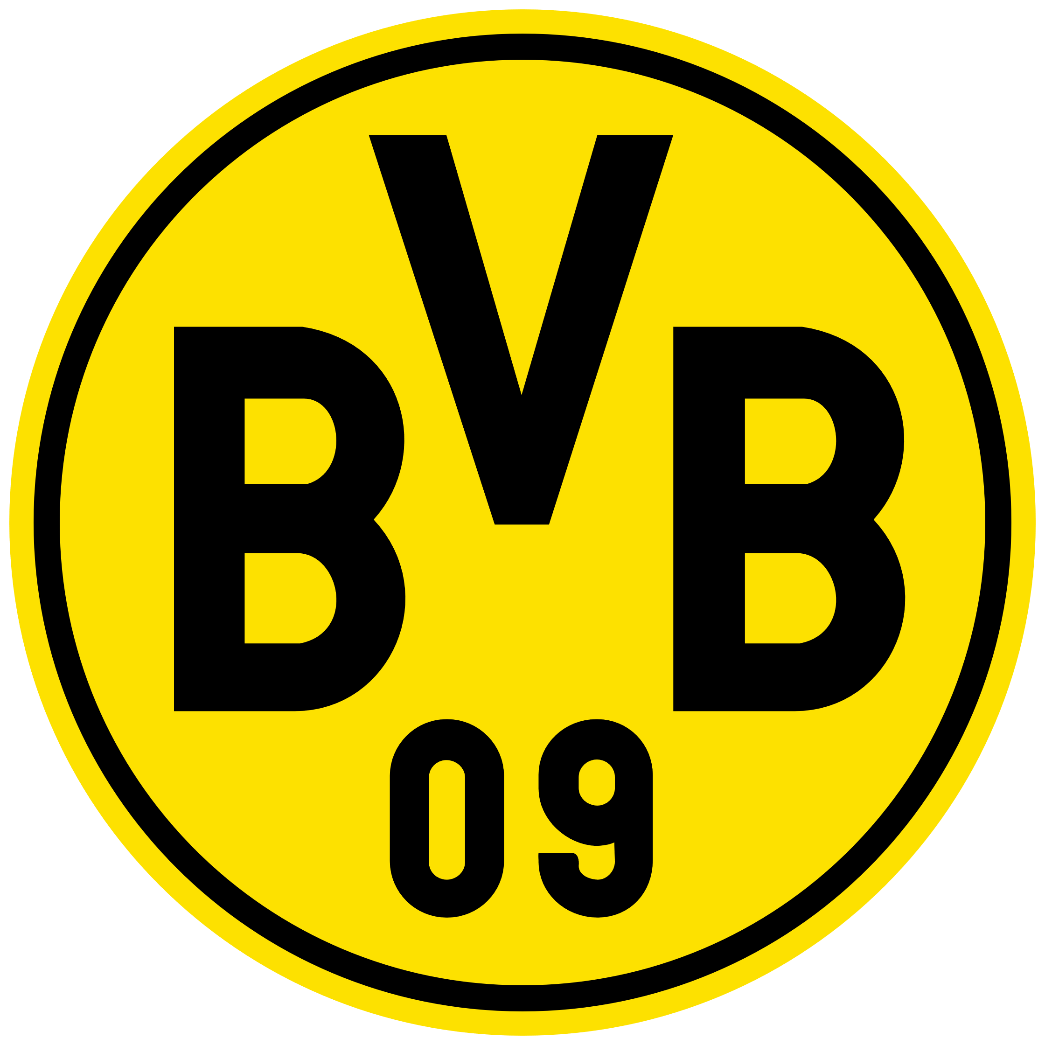
 | FINAL SCORE | 0 | 1 | 2 | 3 | 4 | 5 | 6
 | 0 | 1.02% | 1.91% | 1.79% | 1.12% | 0.52% | 0.20% | 0.06%
 | 1 | 2.78% | 5.22% | 4.89% | 3.05% | 1.43% | 0.54% | 0.17%
 | 2 | 3.81% | 7.14% | 6.69% | 4.18% | 1.96% | 0.73% | 0.23%
 | 3 | 3.48% | 6.51% | 6.10% | 3.81% | 1.78% | 0.67% | 0.21%
 | 4 | 2.38% | 4.45% | 4.17% | 2.61% | 1.22% | 0.46% | 0.14%
 | 5 | 1.30% | 2.44% | 2.28% | 1.43% | 0.67% | 0.25% | 0.08%
 | 6 | 0.59% | 1.11% | 1.04% | 0.65% | 0.30% | 0.11% | 0.04%
Likely outcomes
 | Likelihood in %
Dortmund Winning | 55.36%
FC Köln Winning | 26.09%
Likelihood of a Tie | 18.23%

